Sec 2
Section 2 - AME
Name | ID | bux Email | Selected Project | Team Lead ID | A public access link to the drive where Use Case and Class Diagram Document is uploaded | Team Lead Recommendation as Grade A or Grade B | Team Lead Remarks / Comments on the members work
Afnan Ahmed Crystal | 18104278 | afnan.ahmed.crystal@g.bracu.ac.bd | Library Management System | 17301097 | https://drive.google.com/drive/folders/1pkf872NCH9xOdbQ0tvn-0Xk_pf4f7eGf?usp=sharing | A | Both are nicely done.
MD Shiam MIsbah | 18101338 | muhammed.shiam.misbah@g.bracu.ac.bd | Student Management System |  | https://drive.google.com/drive/folders/1TITERdImcYnK9aymcW91dT03GNGg8BxC?usp=sharing | A | Class Diagram is nicely done.
Abrarul Hassan Rahat | 17101313 | abrarul.hassan.rahat@g.bracu.ac.bd | Online Bus Booking Service |  | https://drive.google.com/drive/folders/1JaNUlGZ2I8rxLatnf8uB7VmQrkIsm5R3?usp=sharing | B | Use Case is nicely done.
Tassnim Jaman Joti | 17101345 | tassnim.jaman.joti@g.bracu.ac.bd | Employee Management System |  | https://drive.google.com/drive/folders/1d0IkNgV69G-e1rPlm2SUBqzWQtDzdU_9?usp=sharing | A | Use Case is well descirbed
Mohammad Mushfiqur Rahman | 17301097 | mohammad.mushfiqur.rahman@g.bracu.ac.bd | Online Home Appliance Service |  | https://drive.google.com/drive/folders/1lpgPZgdRou3oC9w7kTfJqZihs87fb5iZ?usp=sharing | B | Class Diagram could be better.

Armanul Momin | 17101281 | armanul.momin@g.bracu.ac.bd | Attendance System App | 17101281 | https://drive.google.com/drive/folders/1c33S-3vA6eo2ydbaHau8cLZloxwMiYXT?usp=sharing | A
Barha Meherun Pritha | 18101232 | barha.meherun.pritha@g.bracu.ac.bd | Library Management System |  | https://drive.google.com/drive/folders/1Gbgv6mmUh3_kTiEUcU4608aujrp5LuIT?usp=sharing | A
Samin Islam | 18101444 | samin.islam@g.bracu.ac.bd | Online Quiz Game |  | https://drive.google.com/drive/u/1/folders/1jfKieNJLEmWtKp8Bkf6rk6eKy2QQMW3E | B | class diagram can be improved
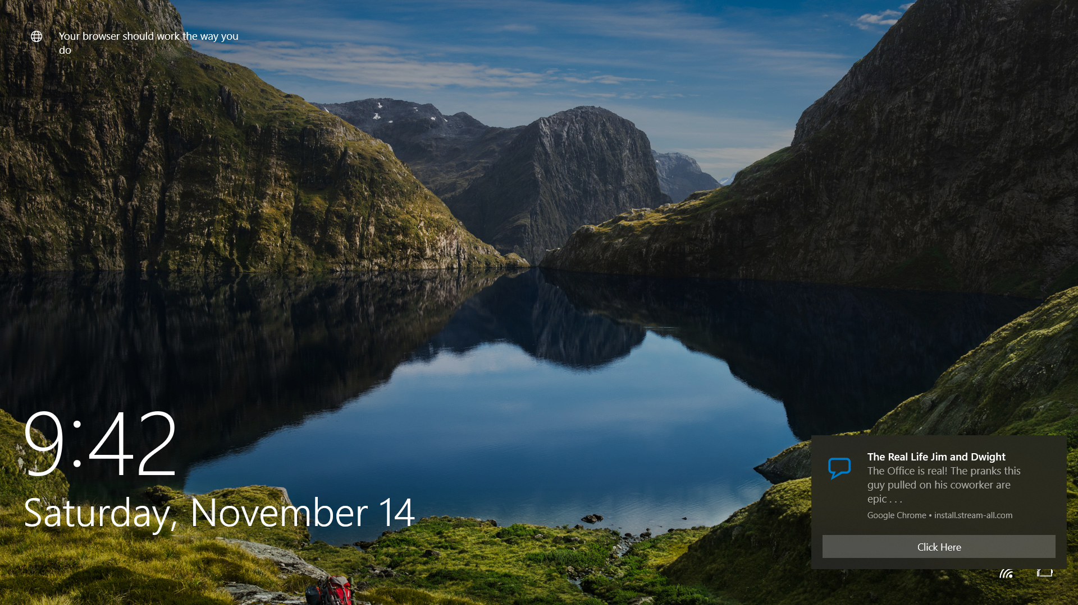
Md. Mehedi Hasan Shawon | 16221056 | md.mehedi.hasan.shawon@g.bracu.ac.bd | Online invoice management |  | https://drive.google.com/drive/folders/1bsV7NMti4Ti8qTYOdtmdyA_GLmXLfRsQ?usp=sharing | A
Atia Anjum Rahman | 16301002 | atia.anjum.rahman@g.bracu.ac.bd | Online flat rental system |  | https://drive.google.com/folderview?id=1aeUHWOS6pCzVtP9REVaodSN9bfGXcU1J | B | use case diagram can be improved

S.M Shahriar Islam | 18101456 | s.m.shahriar.islam@g.bracu.ac.bd | Geolocation based blood bank server | 18101349 | https://drive.google.com/drive/folders/1R9b7NCcvCkbGqkaFrmbPfJ8W6Q8SFZWt?usp=sharing | A
Adel Rahman | 19101667 | adel.rahman@g.bracu.ac.bd | Library System Management |  | https://drive.google.com/drive/folders/1a7olNEpTvue-vq1JQ9H95znwst4jyVWU?usp=sharing | A | `
Md Junaed Abed | 18101349 | md.junaed.abed@g.bracu.ac.bd | Online Car Showroom |  | https://drive.google.com/drive/folders/1V_nk6l2nkg_xQo-xeTfpsLoEs7nB-Y2-?usp=sharing | A
Sarah Tanzim | 18101506 | sarah.tanzim@g.bracu.ac.bd | Super-Mario-Bros |  | https://drive.google.com/drive/folders/1jKEvVFAAtHwnIj5QI5oVOdkK2ZTIeFFe?usp=sharing | B
Maisha sumaiya | 18101305 |  | Uno Card game |  | https://drive.google.com/folderview?id=1dXVrWheaoQFcF4PeQfYzCxlPcbTRnv1U | B | Class Diagram missing due to sickness

Saiara Zerin Nibras | 18101251 | saiara.zerin.nibras@g.bracu.ac.bd | Library Management System | 18101251 | https://drive.google.com/drive/folders/1mKP_9QzlhnULzwgSCM_x35jxoKE6Ws6W?usp=sharing
Samir Rahman | 18101130 | samir.rahman@g.bracu.a.c.bd | Online Automobile Shop |  | https://drive.google.com/drive/folders/1lGtwGJVsaWh_yTePcqFHdHiLhxJjV6Tt?usp=sharing | B | sec-6, Extension relation missing
Nabila Bintey Hassan | 18101237 | nabila.bintey.hassan@g.bracu.ac.bd | Online Book Store |  | https://drive.google.com/drive/folders/1qh0w1VyIj6c3r2GODY6X8Y8obP5wjZQE?usp=sharing | A
Rabita Junhai | 18101259 | rabita.junhai@g.bracu.ac.bd | Project Management System |  | https://drive.google.com/drive/folders/1r4HZMoRgVAZY7wl-YKFaPg8eKhcuZK6g?usp=sharing | B | Relationship details not shown in class diagram
Mohtasim Abrar Samin | 18101094 | mohtasim.abrar.samin@g.bracu.ac.bd | Car Rental Service |  | https://drive.google.com/drive/folders/1hTVZVs4Vo2IyAV5eYZLGGGsSlsZs3__W?usp=sharing | A

Mahedi Hasan | 17101544 | mahedi.hasan@g.bracu.ac.bd | Doctor Appointment System | 18101455 | https://drive.google.com/drive/folders/1ST_-3-Lpn3MlI3Zz2XS0D27mHmfAwMEk?usp=sharing | A
Homaira Tasnim Maliha | 18101455 | homaira.tasnim.maliha@g.bracu.ac.bd | Live Messeging System |  | https://drive.google.com/drive/folders/1DIEuTfXQ3Zb3029au3OGEgPW8Fuexg0C?usp=sharing | A
Serazam Munira Khondokar | 17101066 | serazam.munira.khondaker@g.bracu.ac.bd | Movie Knight |  | https://drive.google.com/drive/folders/1-0U742f7LsqVRz4szOUUL5dBJqbL15Ve?fbclid=IwAR0Xft3BNW9jiw5xl1PCNr7BJk0fe7ih7lXJOpTm3UhyjAl-bVffKJfDeTM | B
S.M.Fahmidul Islam | 17101161 | s.m.fahmidul.islam@g.bracu.ac.bd | Online Food Ordering System |  | https://drive.google.com/drive/folders/1n6dm6C-9q69tWkL-UvaQ62X267CB8WGU?usp=sharing | B | extention relationships between use cases are not shown
MD. Akhtaruzzaman Ashik | 18201006 | md.akhtaruzzaman.ashik@g.bracu.ac.bd | Library Management System |  | https://drive.google.com/drive/folders/13Dzy0ZXoO9x9CU2FBxofh5-od9vI0Jqw?usp=sharing | A | section- 06

Shovon Mandal | 18101142 | shovon.mandal@g.bracu.ac.bd | Student/Class Management | 18101142 | https://drive.google.com/drive/folders/1l-Qg5kbxtScgJknODOrgyZ9EeA4AdgI1?usp=sharing | A
Morshed Siam | 17101253 | morshed.siam@g.bracu.ac.bd | Medicine Management System |  | https://drive.google.com/drive/folders/16GJ4xa2mqaDjrDvPJU1VbZpY9P6HjMOw?usp=sharing | B | Section-04
Md. Tanvir Hasan | 18101087 | md.tanvir.hasan@g.bracu.ac.bd | Pharmacy management System |  | https://drive.google.com/drive/folders/1S5Igp6IaFOUsREfestapPZmliXfZBIWV?usp=sharing | A
Ponuel Mollah Swadesh | 17101299 | ponuel.mollah.swadesh@g.bracu.ac.bd | Hospital Serial Management |  | https://drive.google.com/drive/folders/1BcQFivxgQ5CbymekVWHUeklbXtbP7MbW?usp=sharing | B
Swarojani Dhar | 18101145 | swarojani.dhar@g.bracu.ac.bd | University Management System |  | https://drive.google.com/drive/folders/1FVEfcIo5kixJQyzP-tC8yOL71qjnyMxL?usp=sharing | A

Mohammad Sadman Tahsin | 17301127 | mohammad.sadman.tahsin@g.bracu.ac.bd | Catering Service Management | 17301127 | https://drive.google.com/drive/folders/1P5vTrowndAuBQcOERDD5GkqhkNcVUjIZ?usp=sharing | l
Tanjid Alam Kabbo | 17301149 | tanjid.alam.kabbo@g.bracu.ac.bd | Online Book Store |  | https://drive.google.com/drive/folders/1rMy3o-HwGOj3LR8BfsNh-35rUcO7sivg?usp=sharing | A

Durjoy Bhowmik | 17301153 | durjoy.bhowmik@g.bracu.ac.bd | Complaint management system | 17301153 | https://drive.google.com/drive/folders/1chTFMgHQRomcT8uEb-oPPCXm2X1_tnyq?usp=sharing

Abdullah Al Nakib | 17101145 | abdullah.al.nakib@g.bracu.ac.bd | Art Gallery Management | 17201026 | https://drive.google.com/drive/folders/1kfcPaW8kBX5VyxlcGO3p_xbK80fs5FIF?usp=sharing | A | Looks Good
Asadullah Monsur | 17101342 | asadullah.monsur@g.bracu.ac.bd | Football Mangement |  | https://docs.google.com/document/d/1ZrxkScRX170taLq7a6O8WuOLsBB9WmAU2Q0wakSdLo4/edit?usp=sharing | B | Little bit adjustment needed
Md. Nayem Talukder | 17201026 | md.nayem.talukder@g.bracu.ac.bd | Restaurant Management System |  | https://drive.google.com/drive/folders/1Ld55ipEjlxukNe1ZO1tYhbiDK1mZh9YK?usp=sharing | B | Should be more organized
Chinmoy Majumder | 18201108 | chinmoy.majumder@g.bracu.ac.bd | Online Restaurant Reservation System |  | https://drive.google.com/drive/folders/1Uf-zhgGBnNrokjIN-CMgH_uccLtduyMQ?usp=sharing | B | Changed project idea as not recommended in sprint 1

Syed Naziur Rahman Topu | 16201109 | syed.naziur.rahman.topu@g.bracu.ac.bd | Chatbot | 17301175 |  | null | couldn't complete
Mohaimenul Islam | 17121030 | mohaimenul.islam@g.bracu.ac.bd | E Ticket Management |  | https://drive.google.com/drive/folders/1dP2joeRbqIcmRvXR1w3vPpmrZys7Pqdu | A
MST Sabrina Mobassira | 17301175 | mst.sabrina.mobassira@g.bracu.ac.bd | E Book Management |  | https://drive.google.com/drive/folders/1OW9Y2nOZ5QGBZuX6mF62ovLSvCZ15LG3 | B
Tasfia Chowdhury Supty | 16210006 | tasfia.chowdhury.supty@g.bracu.ac.bd | Hospital Management System |  | https://drive.google.com/drive/folders/1H5WFoZvDe5p81Sm8FTyCY102h5CDC8ZF?usp=sharing | B

Rakibul Hassan Rijon | 17301090 | rakibul.hassan.rijon@g.bracu.ac.bd | Food Donation App |  | https://drive.google.com/drive/u/0/folders/1in6BlsjyJc3YmAXk5iHYEu0sqqaTunyF

